Sheet1
V - Deg
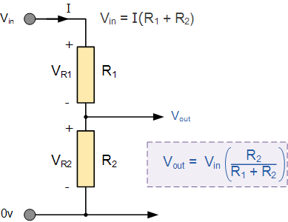

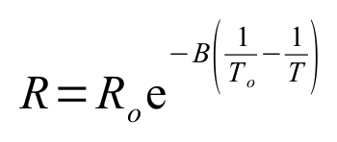

 |  |  |  |  | R0 | 100000 | Ohm
 |  |  |  |  | B | 3974 | -
 |  |  |  |  | T0 | 293 | K
 |  |  |  |  | V_in | 5 | V
 |  |  |  |  | R1 | 427.08690161 | Ohm
 |  |  |  |  | Rth | 481.79986234
 |  |  |  |  | Smax[mV/K] | 21.36955039
 |  |  |  |  | Save[mV/K] | 20.587375066

Temp [deg] | Temp [K] | Resistance [kOhm] | V_out [V] | dV [mV/K]
15 | 288 | 126550.49081 | 4.9831825859
20 | 293 | 100000 | 4.9787364687 | 0.88922344107
25 | 298 | 79646.709542 | 4.973331669 | 1.0809599354
30 | 303 | 63914.215754 | 4.9668108288 | 1.3041680367
35 | 308 | 51657.100363 | 4.9590003297 | 1.5620998322
40 | 313 | 42035.55792 | 4.9497102802 | 1.8580098815
45 | 318 | 34428.530656 | 4.9387348537 | 2.1950853038
50 | 323 | 28372.938665 | 4.9258530343 | 2.5763638869
55 | 328 | 23520.771228 | 4.910829833 | 3.0046402534
60 | 333 | 19608.520442 | 4.8934180296 | 3.4823606778
65 | 338 | 16435.221822 | 4.8733604904 | 4.0115078542
70 | 343 | 13846.549737 | 4.8503931015 | 4.593477776
75 | 348 | 11723.208203 | 4.8242483421 | 5.2289518684
80 | 353 | 9972.3934716 | 4.7946594992 | 5.9177685919
85 | 358 | 8521.4704456 | 4.7613655 | 6.6587998316
90 | 363 | 7313.2564726 | 4.7241163079 | 7.4498384213
95 | 368 | 6302.4805735 | 4.6826787879 | 8.287504002
100 | 373 | 5453.1081574 | 4.6368429131 | 9.1671749621
105 | 378 | 4736.3072338 | 4.5864281416 | 10.082954293
110 | 383 | 4128.8931413 | 4.5312897581 | 11.027676709
115 | 388 | 3612.1324181 | 4.471324942 | 11.992963214
120 | 393 | 3170.8178193 | 4.4064783051 | 12.969327383
125 | 398 | 2792.5492194 | 4.3367466298 | 13.946335059
130 | 403 | 2467.17171 | 4.2621825501 | 14.912815933
135 | 408 | 2186.3343588 | 4.1828969404 | 15.857121958
140 | 413 | 1943.1420636 | 4.0990598211 | 16.767423859
145 | 418 | 1731.8795914 | 4.0108996527 | 17.632033671
150 | 423 | 1547.7918598 | 3.9187009604 | 18.439738462
155 | 428 | 1386.9082417 | 3.8228003168 | 19.180128715
160 | 433 | 1245.9014866 | 3.7235807953 | 19.843904306
165 | 438 | 1121.9739787 | 3.6214650856 | 20.42314193
170 | 443 | 1012.7656762 | 3.5169075355 | 20.911510021
175 | 448 | 916.27931526 | 3.4103854323 | 21.304420638
180 | 453 | 830.81941835 | 3.3023898726 | 21.599111942
185 | 458 | 754.94237998 | 3.193416575 | 21.794659536
190 | 463 | 687.41547805 | 3.0839569776 | 21.891919479
195 | 468 | 627.18310073 | 2.9744899283 | 21.893409854
200 | 473 | 573.33882819 | 2.8654742232 | 21.803141018
205 | 478 | 525.10228102 | 2.7573421889 | 21.626406853
210 | 483 | 481.79986234 | 2.650494437 | 21.36955039
215 | 488 | 442.8486909 | 2.5452958513 | 21.039717136
220 | 493 | 407.74315748 | 2.442072809 | 20.644608466
225 | 498 | 376.04364431 | 2.3411115803 | 20.192245733
230 | 503 | 347.36703361 | 2.2426578123 | 19.690753607
235 | 508 | 321.37870011 | 2.1469169684 | 19.148168784
240 | 513 | 297.78573779 | 2.0540555789 | 18.572277892
245 | 518 | 276.33121623 | 1.9642031476 | 17.97048625
250 | 523 | 256.78929801 | 1.8774545609 | 17.349717355
255 | 528 | 238.96107791 | 1.7938728535 | 16.716341482
260 | 533 | 222.67102921 | 1.7134921996 | 16.07613078
265 | 538 | 207.76396124 | 1.6363210118 | 15.434237561
270 | 543 | 194.10240906 | 1.5623450511 | 14.795192131
275 | 548 | 181.56438893 | 1.4915304687 | 14.162916476
280 | 553 | 170.04146421 | 1.4238267175 | 13.540750236
285 | 558 | 159.43707536 | 1.3591692891 | 12.931485696
290 | 563 | 149.66509502 | 1.2974822445 | 12.337408908
295 | 568 | 140.64857544 | 1.2386805222 | 11.760344458
300 | 573 | 132.31866042 | 1.1826720129 | 11.20170186

